BuildingSummary
Building Summary Fast Food Restaurant new construction version 1.1_3.1
 |  | Value | Data Source
Program
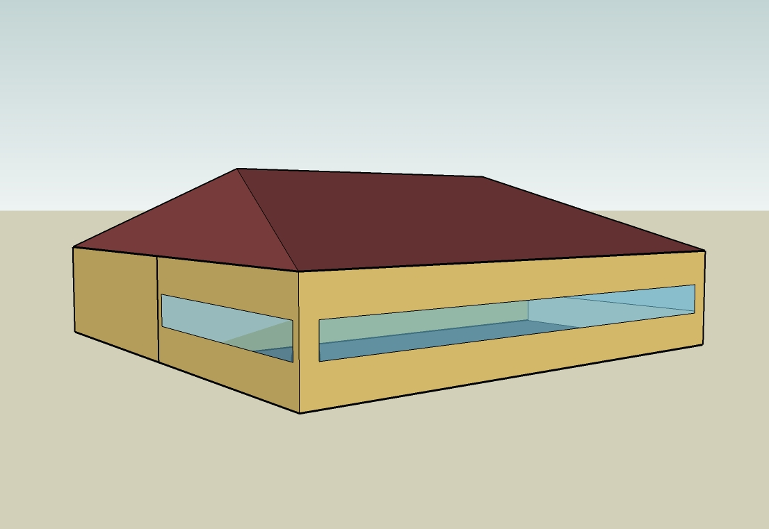
 | Building Name | Benchmark Fast Food New
 | Available Fuel Types | gas, electricity
 | Principal Building Activity | Food Service
Form |  |  | Time Saver Standards; FF Restaurant studies (EPRI, MEOS, LBL) cited in Huang et al. 1991 for all Form parameters
 | Total Floor Area (m2) | 232
 | Building Shape | Rectangle
 | Aspect Ratio | 1.00
 | Number of Floors | 1.00
 | Window Fraction (Window to Wall Ratio)
 | South | 0.28
 | East | 0.14
 | North | 0
 | West | 0.14
 | Total | 0.14
 | Skylight/TDD Percentage | 0.0
 | Shading Geometry | None
 | Azimuth | 0.00
 | Thermal Zoning | 2 zones plus attic
 | Floor to Ceiling Height (m) | 3.048
 | Roof type | Attic | 2003 CBECS
Fabric
 | Exterior walls
 | Construction Type | Wood-Framed | 2003 CBECS
 | Gross Dimensions - Total Area (m2) | 185.9
 | Net Dimensions - Total Area (m2) | 159.90
 | Wall to Skin Ratio | 0.42
 | Roof
 | Construction Type | Attic | 2003 CBECS
 | Gross Dimensions - Total Area (m2) | 258.86
 | Net Dimensions - Total Area (m2) | 258.86
 | Roof to Skin Ratio | 0.58
 | Window Dimensions (m2) |  | Time Saver Standards; FF Restaurant studies (EPRI, MEOS, LBL) cited in Huang et al. 1991
 | South | 13.01
 | East | 6.51
 | North | 0.00
 | West | 6.51
 | Total Area (m2) | 26.03
 | Operable area (m2) | 0.00
 | Skylights/TDD
 | Dimensions - Total Area (m2) | 0.00
 | Operable area (m2) | 0.00
 | Foundation
 | Foundation Type | Mass Floor
 | Construction | 4-in slab-on-grade
 | Dimensions - Total Area (m2) | 232.2
 | Interior Partitions
 | Construction | 2x4 steel-frame with gypsum board
 | Dimensions - Total Area (m2)
 | Internal Mass
 | Construction | 15 cm wood
 | Dimensions - Total Area (m2) | 46.47
 | Thermal diffusivity (m2/s) | 1.84E-07
 | Air Barrier System |  | See Benchmark Technical Report
 | Infiltration (ACH) | 0.64
HVAC |  |  | 2003 CBECS
 | System Type | PSZ-AC | 2003 CBECS
 | Heating Type | Gas furnace | 2003 CBECS
 | Cooling Type | Unitary DX | 2003 CBECS
 | Fan Control | Constant volume
 | Service Water Heating
 | SWH Type | Storage Tank
 | Fuel | Natural Gas | Standard 90.1-2004
 | Thermal Efficiency (%) | 80.00
 | Temperature Setpoint (ºC ) | 140
 | Water Consumption (m3 ) | 413.75

Picture
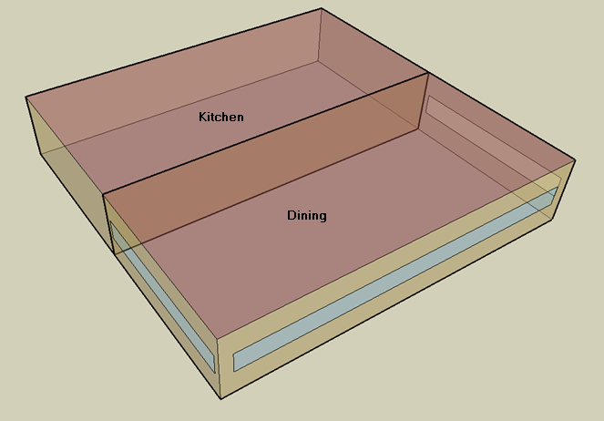
DOE Commercial Building Benchmark - Fast Food Restaurant

Electricity
 | Heating | Cooling | Interior Lighting | Exterior Lighting | Interior Equipment | Exterior Equipment | Fans | Refrigeration
Miami | 0.00 | 75,638.89 | 20,850.00 | 4,372.22 | 122,672.22 | 0.00 | 31,866.67 | 19,152.78
Houston | 0.00 | 53,658.33 | 20,850.00 | 4,369.44 | 122,672.22 | 0.00 | 31,252.78 | 18,688.89
Phoenix | 0.00 | 48,155.56 | 20,850.00 | 4,369.44 | 122,672.22 | 0.00 | 31,747.22 | 18,411.11
Atlanta | 0.00 | 29,694.44 | 20,850.00 | 4,369.44 | 122,672.22 | 0.00 | 30,961.11 | 18,219.44
Los Angeles | 0.00 | 5,088.89 | 20,850.00 | 4,363.89 | 122,672.22 | 0.00 | 29,783.33 | 18,375.00
Las Vegas | 0.00 | 31,555.56 | 20,850.00 | 4,363.89 | 122,672.22 | 0.00 | 31,308.33 | 18,061.11
San Francisco | 0.00 | 1,691.67 | 20,850.00 | 4,366.67 | 122,672.22 | 0.00 | 28,911.11 | 17,744.44
Baltimore | 0.00 | 22,775.00 | 20,850.00 | 4,363.89 | 122,672.22 | 0.00 | 30,672.22 | 17,866.67
Albuquerque | 0.00 | 13,597.22 | 20,850.00 | 4,366.67 | 122,672.22 | 0.00 | 31,663.89 | 17,816.67
Seattle | 0.00 | 2,441.67 | 20,850.00 | 4,355.56 | 122,672.22 | 0.00 | 29,522.22 | 17,544.44
Chicago | 0.00 | 14,536.11 | 20,850.00 | 4,363.89 | 122,672.22 | 0.00 | 30,533.33 | 17,652.78
Boulder | 0.00 | 8,761.11 | 20,850.00 | 4,361.11 | 122,672.22 | 0.00 | 31,216.67 | 17,583.33
Minneapolis | 0.00 | 12,780.56 | 20,850.00 | 4,361.11 | 122,672.22 | 0.00 | 30,675.00 | 17,522.22
Helena | 0.00 | 5,072.22 | 20,850.00 | 4,361.11 | 122,672.22 | 0.00 | 31,105.56 | 17,327.78
Duluth | 0.00 | 4,163.89 | 20,850.00 | 4,358.33 | 122,672.22 | 0.00 | 30,061.11 | 17,130.56
Fairbanks | 0.00 | 1,450.00 | 20,850.00 | 4,330.56 | 122,672.22 | 0.00 | 29,530.56 | 16,711.11

Gas
 | Heating | Interior Equipment | Water Systems
Miami | 4,550.00 | 881,700.00 | 42,570.00
Houston | 92,570.00 | 881,700.00 | 51,910.00
Phoenix | 54,960.00 | 881,700.00 | 46,540.00
Atlanta | 185,260.00 | 881,700.00 | 60,910.00
Los Angeles | 29,270.00 | 881,700.00 | 59,160.00
Las Vegas | 96,750.00 | 881,700.00 | 53,010.00
San Francisco | 114,450.00 | 881,700.00 | 66,860.00
Baltimore | 360,680.00 | 881,700.00 | 67,970.00
Albuquerque | 215,750.00 | 881,700.00 | 66,630.00
Seattle | 283,900.00 | 881,700.00 | 71,650.00
Chicago | 525,210.00 | 881,700.00 | 74,180.00
Boulder | 347,070.00 | 881,700.00 | 73,860.00
Minneapolis | 705,740.00 | 881,700.00 | 79,540.00
Helena | 545,900.00 | 881,700.00 | 80,520.00
Duluth | 878,970.00 | 881,700.00 | 88,390.00
Fairbanks | 1,425,010.00 | 881,700.00 | 99,090.00

EUI
 | Cooling (elec) | Interior Lighting (elec) | Exterior Lighting (elec) | Interior Equipment (elec) | Fans (elec) | Refrigeration (elec) | Heating (gas) | Interior Equipment (gas) | Water Systems (gas)
Miami | 1171.99 | 323.06 | 67.75 | 1900.75 | 493.76 | 296.76 | 19.58 | 3794.87 | 183.22
Houston | 831.41 | 323.06 | 67.70 | 1900.75 | 484.25 | 289.58 | 398.42 | 3794.87 | 223.42
Phoenix | 746.15 | 323.06 | 67.70 | 1900.75 | 491.91 | 285.27 | 236.55 | 3794.87 | 200.31
Atlanta | 460.10 | 323.06 | 67.70 | 1900.75 | 479.73 | 282.30 | 797.37 | 3794.87 | 262.16
Los Angeles | 78.85 | 323.06 | 67.62 | 1900.75 | 461.48 | 284.71 | 125.98 | 3794.87 | 254.63
Las Vegas | 488.94 | 323.06 | 67.62 | 1900.75 | 485.11 | 279.85 | 416.42 | 3794.87 | 228.16
San Francisco | 26.21 | 323.06 | 67.66 | 1900.75 | 447.96 | 274.94 | 492.60 | 3794.87 | 287.77
Baltimore | 352.89 | 323.06 | 67.62 | 1900.75 | 475.25 | 276.84 | 1552.38 | 3794.87 | 292.55
Albuquerque | 210.68 | 323.06 | 67.66 | 1900.75 | 490.62 | 276.06 | 928.60 | 3794.87 | 286.78
Seattle | 37.83 | 323.06 | 67.49 | 1900.75 | 457.43 | 271.84 | 1221.92 | 3794.87 | 308.38
Chicago | 225.23 | 323.06 | 67.62 | 1900.75 | 473.10 | 273.52 | 2260.52 | 3794.87 | 319.27
Boulder | 135.75 | 323.06 | 67.57 | 1900.75 | 483.69 | 272.45 | 1493.80 | 3794.87 | 317.90
Minneapolis | 198.03 | 323.06 | 67.57 | 1900.75 | 475.29 | 271.50 | 3037.53 | 3794.87 | 342.34
Helena | 78.59 | 323.06 | 67.57 | 1900.75 | 481.97 | 268.49 | 2349.57 | 3794.87 | 346.56
Duluth | 64.52 | 323.06 | 67.53 | 1900.75 | 465.78 | 265.43 | 3783.12 | 3794.87 | 380.43
Fairbanks | 22.47 | 323.06 | 67.10 | 1900.75 | 457.56 | 258.93 | 6133.30 | 3794.87 | 426.49

Water
 | Total Building | Water for Electricity (m3)
Miami | 413.75 | 145.45
Houston | 413.75 | 409.21
Phoenix | 413.75 | 7,313.41
Atlanta | 413.75 | 1,415.84
Los Angeles | 413.75 | 3,531.46
Las Vegas | 413.75 | 6,277.19
San Francisco | 413.75 | 3,445.48
Baltimore | 413.75 | 49.77
Albuquerque | 413.75 | 957.95
Seattle | 413.75 | 2,016.66
Chicago | 413.75 | 326.75
Boulder | 413.75 | 932.88
Minneapolis | 413.75 | 324.04
Helena | 413.75 | 12,756.80
Duluth | 413.75 | 309.10
Fairbanks | 413.75 | 199.78

Carbon
 | Carbon Equivalent (kg)
Miami | 92,045.20
Houston | 102,392.68
Phoenix | 92,053.26
Atlanta | 90,190.88
Los Angeles | 40,999.63
Las Vegas | 95,771.99
San Francisco | 42,102.29
Baltimore | 82,780.76
Albuquerque | 107,170.15
Seattle | 36,687.44
Chicago | 138,994.84
Boulder | 107,413.08
Minneapolis | 101,552.50
Helena | 100,790.65
Duluth | 101,540.95
Fairbanks | 98,406.60

LghtSch
Lighting Schedules
 | Weekday | Sat | WinterDesign | Sun, Hol, Other
 | 0.15 | 0.2 | 0 | 0.2
 | 0.15 | 0.15 | 0 | 0.15
 | 0.15 | 0.15 | 0 | 0.15
 | 0.15 | 0.15 | 0 | 0.15
 | 0.15 | 0.15 | 0 | 0.15
 | 0.2 | 0.15 | 0 | 0.15
 | 0.4 | 0.3 | 0 | 0.3
 | 0.4 | 0.3 | 0 | 0.3
 | 0.6 | 0.6 | 0 | 0.5
 | 0.6 | 0.6 | 0 | 0.5
 | 0.9 | 0.8 | 0 | 0.7
 | 0.9 | 0.8 | 0 | 0.7
 | 0.9 | 0.8 | 0 | 0.7
 | 0.9 | 0.8 | 0 | 0.7
 | 0.9 | 0.8 | 0 | 0.7
 | 0.9 | 0.8 | 0 | 0.7
 | 0.9 | 0.8 | 0 | 0.6
 | 0.9 | 0.9 | 0 | 0.6
 | 0.9 | 0.9 | 0 | 0.6
 | 0.9 | 0.9 | 0 | 0.6
 | 0.9 | 0.9 | 0 | 0.6
 | 0.9 | 0.9 | 0 | 0.6
 | 0.5 | 0.5 | 0 | 0.5
 | 0.3 | 0.3 | 0 | 0.3

EqpSch
Kitchen Euipment Schedules
 | Weekday | Sat | Sun, Hol, Other
 | 0.15 | 0.15 | 0.15
 | 0.15 | 0.15 | 0.15
 | 0.15 | 0.15 | 0.15
 | 0.15 | 0.15 | 0.15
 | 0.15 | 0.15 | 0.15
 | 0.15 | 0.15 | 0.15
 | 0.25 | 0.25 | 0.25
 | 0.3 | 0.3 | 0.3
 | 0.3 | 0.3 | 0.3
 | 0.3 | 0.3 | 0.3
 | 0.3 | 0.3 | 0.3
 | 0.3 | 0.3 | 0.3
 | 0.3 | 0.3 | 0.3
 | 0.3 | 0.3 | 0.3
 | 0.3 | 0.3 | 0.3
 | 0.3 | 0.3 | 0.3
 | 0.3 | 0.3 | 0.3
 | 0.3 | 0.3 | 0.3
 | 0.3 | 0.3 | 0.3
 | 0.3 | 0.3 | 0.3
 | 0.3 | 0.3 | 0.3
 | 0.3 | 0.3 | 0.3
 | 0.3 | 0.3 | 0.3
 | 0.3 | 0.3 | 0.3

GasEquipSch
Kitchen Gas Equipment Schedule
 | WD, Sat
 | 0.02
 | 0.02
 | 0.02
 | 0.02
 | 0.02
 | 0.05
 | 0.1
 | 0.15
 | 0.2
 | 0.15
 | 0.25
 | 0.25
 | 0.25
 | 0.2
 | 0.15
 | 0.15
 | 0.15
 | 0.15
 | 0.15
 | 0.15
 | 0.15
 | 0.15
 | 0.1
 | 0.05

OccSch
Occupancy Schedules
 | WD | Sat | Sun, Hol, Other
 | 0.05 | 0.05 | 0.05
 | 0 | 0 | 0
 | 0 | 0 | 0
 | 0 | 0 | 0
 | 0 | 0 | 0
 | 0.05 | 0 | 0
 | 0.1 | 0.05 | 0.05
 | 0.4 | 0.5 | 0.5
 | 0.4 | 0.5 | 0.5
 | 0.4 | 0.4 | 0.2
 | 0.2 | 0.2 | 0.2
 | 0.5 | 0.45 | 0.3
 | 0.8 | 0.5 | 0.5
 | 0.7 | 0.5 | 0.5
 | 0.4 | 0.35 | 0.3
 | 0.2 | 0.3 | 0.2
 | 0.25 | 0.3 | 0.25
 | 0.5 | 0.3 | 0.35
 | 0.8 | 0.7 | 0.55
 | 0.8 | 0.9 | 0.65
 | 0.8 | 0.7 | 0.7
 | 0.5 | 0.65 | 0.35
 | 0.35 | 0.55 | 0.2
 | 0.2 | 0.35 | 0.2

HeatSch
Dining Heating Set Point Schedules
 | WD | WinterDesign | Sat
 | 16 | 21 | 16
 | 16 | 21 | 16
 | 16 | 21 | 16
 | 16 | 21 | 16
 | 16 | 21 | 16
 | 21 | 21 | 21
 | 21 | 21 | 21
 | 21 | 21 | 21
 | 21 | 21 | 21
 | 21 | 21 | 21
 | 21 | 21 | 21
 | 21 | 21 | 21
 | 21 | 21 | 21
 | 21 | 21 | 21
 | 21 | 21 | 21
 | 21 | 21 | 21
 | 21 | 21 | 21
 | 21 | 21 | 21
 | 21 | 21 | 21
 | 21 | 21 | 21
 | 21 | 21 | 21
 | 21 | 21 | 21
 | 21 | 21 | 21
 | 21 | 21 | 21

CoolSch
Dining Cooling Set Point Schedules
 | Sun, Hol, Other | WD, SummerDesign | WinterDesign
 | 16 | 30 | 30
 | 16 | 30 | 30
 | 16 | 30 | 30
 | 16 | 30 | 30
 | 16 | 30 | 30
 | 21 | 24 | 30
 | 21 | 24 | 30
 | 21 | 24 | 30
 | 21 | 24 | 30
 | 21 | 24 | 30
 | 21 | 24 | 30
 | 21 | 24 | 30
 | 21 | 24 | 30
 | 21 | 24 | 30
 | 21 | 24 | 30
 | 21 | 24 | 30
 | 21 | 24 | 30
 | 21 | 24 | 30
 | 21 | 24 | 30
 | 21 | 24 | 30
 | 21 | 24 | 30
 | 21 | 24 | 30
 | 21 | 24 | 30
 | 21 | 24 | 30

HeatSchKitchen
Kitchen Heating Set Point Schedules
 | SummerDesign | WinterDesign | Sun, Hol, Other
 | 15.6 | 21 | 19
 | 15.6 | 21 | 15.6
 | 15.6 | 21 | 15.6
 | 15.6 | 21 | 15.6
 | 15.6 | 21 | 15.6
 | 15.6 | 21 | 19
 | 15.6 | 21 | 19
 | 15.6 | 21 | 19
 | 15.6 | 21 | 19
 | 15.6 | 21 | 19
 | 15.6 | 21 | 19
 | 15.6 | 21 | 19
 | 15.6 | 21 | 19
 | 15.6 | 21 | 19
 | 15.6 | 21 | 19
 | 15.6 | 21 | 19
 | 15.6 | 21 | 19
 | 15.6 | 21 | 19
 | 15.6 | 21 | 19
 | 15.6 | 21 | 19
 | 15.6 | 21 | 19
 | 15.6 | 21 | 19
 | 15.6 | 21 | 19
 | 15.6 | 21 | 19

CoolSchKitchen
Kitchen Cooling Set Point Schedules
 | WD, SummerDesign | Sat | Sun, Hol, Other
 | 26 | 26 | 26
 | 30 | 30 | 30
 | 30 | 30 | 30
 | 30 | 30 | 30
 | 30 | 30 | 30
 | 26 | 26 | 26
 | 26 | 26 | 26
 | 26 | 26 | 26
 | 26 | 26 | 26
 | 26 | 26 | 26
 | 26 | 26 | 26
 | 26 | 26 | 26
 | 26 | 26 | 26
 | 26 | 26 | 26
 | 26 | 26 | 26
 | 26 | 26 | 26
 | 26 | 26 | 26
 | 26 | 26 | 26
 | 26 | 26 | 26
 | 26 | 26 | 26
 | 26 | 26 | 26
 | 26 | 26 | 26
 | 26 | 26 | 26
 | 26 | 26 | 26

